SSDA-Long-Term Sensor Drift
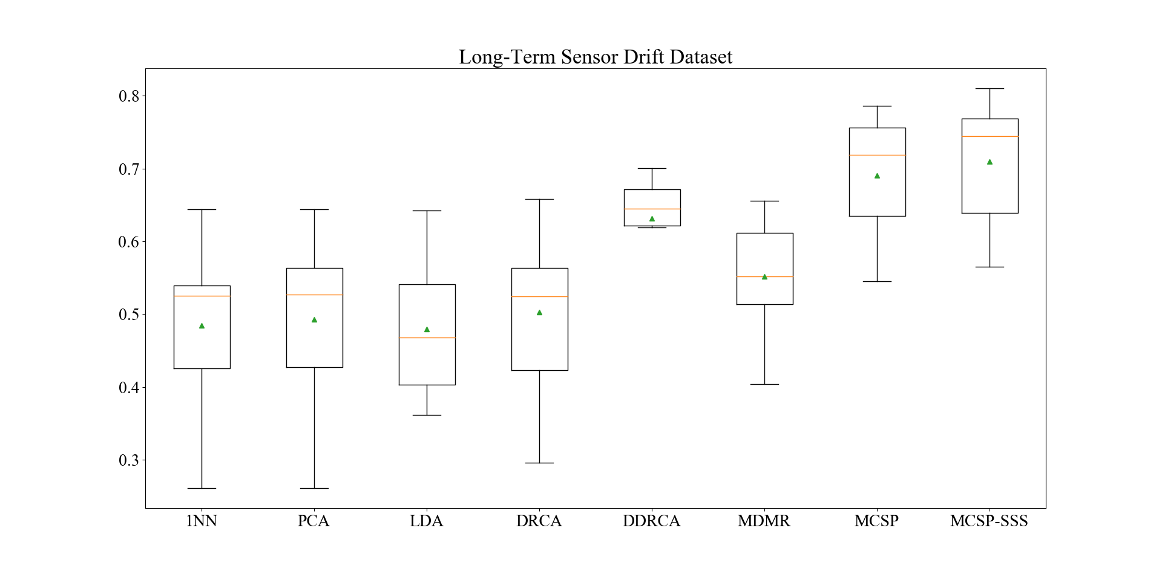
Table I
Approach | 1→2 | 1→3 | 1→4 | 1→5 | 1→6 | 1→7 | 1→8 | 1→9 | 1→10 | Avg Acc
1NN | 0.7789 | 0.6778 | 0.6087 | 0.6650 | 0.6652 | 0.4174 | 0.2211 | 0.4404 | 0.3301 | 0.5338
PCA | 0.8295 | 0.8058 | 0.7143 | 0.7107 | 0.7365 | 0.4888 | 0.2111 | 0.4660 | 0.4108 | 0.5971
LDA | 0.3416 | 0.4376 | 0.4161 | 0.5127 | 0.3196 | 0.3687 | 0.6361 | 0.3638 | 0.2036 | 0.4000
DRCA | 0.7717 | 0.7598 | 0.6646 | 0.7107 | 0.7122 | 0.4520 | 0.6259 | 0.5936 | 0.4272 | 0.6353
D-DRCA | 0.7998 | 0.7705 | 0.7516 | 0.8883 | 0.8352 | 0.5267 | 0.7380 | 0.6000 | 0.3953 | 0.7006
MDMR | 0.8296 | 0.8058 | 0.7578 | 0.7411 | 0.7404 | 0.5217 | 0.5476 | 0.5127 | 0.4200 | 0.6530
MCSP | 0.8473 | 0.8000 | 0.7846 | 0.9493 | 0.8413 | 0.8136 | 0.5546 | 0.7447 | 0.5167 | 0.7613
MCSP-SSS | 0.8954 | 0.8268 | 0.7846 | 0.9747 | 0.8891 | 0.5589 | 0.8305 | 0.7500 | 0.5188 | 0.7810

Table II
Approach | 2→1 | 2→3 | 2→4 | 2→5 | 2→6 | 2→7 | 2→8 | 2→9 | 2→10 | Avg Acc
1NN | 0.5506 | 0.8694 | 0.6149 | 0.6751 | 0.5387 | 0.5284 | 0.3129 | 0.3828 | 0.3972 | 0.5411
PCA | 0.5506 | 0.8699 | 0.6149 | 0.6751 | 0.5400 | 0.5284 | 0.3129 | 0.3828 | 0.4031 | 0.5420
LDA | 0.4000 | 0.4496 | 0.2236 | 0.5076 | 0.4635 | 0.2937 | 0.6427 | 0.3894 | 0.1494 | 0.3911
DRCA | 0.4764 | 0.9117 | 0.6024 | 0.6142 | 0.6509 | 0.5129 | 0.5714 | 0.3894 | 0.4064 | 0.5706
D-DRCA | 0.6202 | 0.9048 | 0.6398 | 0.8883 | 0.6626 | 0.5502 | 0.6599 | 0.4830 | 0.4658 | 0.6527
MDMR | 0.5528 | 0.9124 | 0.6460 | 0.8883 | 0.6278 | 0.6228 | 0.4932 | 0.3828 | 0.4464 | 0.6192
MCSP | 0.7079 | 0.9124 | 0.7329 | 0.9086 | 0.7552 | 0.5842 | 0.7517 | 0.5213 | 0.4033 | 0.6975
MCSP-SSS | 0.7415 | 0.9130 | 0.7391 | 0.9492 | 0.7643 | 0.5909 | 0.8027 | 0.6063 | 0.4206 | 0.7253

Table III
Approach | 3→1 | 3→2 | 3→4 | 3→5 | 3→6 | 3→7 | 3→8 | 3→9 | 3→10 | Avg Acc
1NN | 0.6658 | 0.9201 | 0.6273 | 0.6548 | 0.9198 | 0.7163 | 0.3551 | 0.4688 | 0.4663 | 0.6438
PCA | 0.6658 | 0.9201 | 0.6335 | 0.6548 | 0.9198 | 0.7163 | 0.3507 | 0.4688 | 0.4663 | 0.6440
LDA | 0.4178 | 0.1953 | 0.7205 | 0.6396 | 0.8145 | 0.5557 | 0.6594 | 0.6152 | 0.3407 | 0.5510
DRCA | 0.6630 | 0.9112 | 0.5714 | 0.6548 | 0.9039 | 0.7133 | 0.5194 | 0.5048 | 0.4827 | 0.6583
D-DRCA | 0.7090 | 0.8063 | 0.7764 | 0.9137 | 0.9181 | 0.7534 | 0.6993 | 0.6314 | 0.5317 | 0.7488
MDMR | 0.6900 | 0.9101 | 0.6335 | 0.6548 | 0.9198 | 0.7163 | 0.4058 | 0.5124 | 0.4613 | 0.6560
MCSP | 0.7520 | 0.9201 | 0.7888 | 0.9187 | 0.9198 | 0.7507 | 0.7428 | 0.7344 | 0.5467 | 0.7860
MCSP-SSS | 0.7547 | 0.9225 | 0.8571 | 0.9391 | 0.9198 | 0.8200 | 0.7609 | 0.7615 | 0.5554 | 0.8101

Table VI
Approach | 4→1 | 4→2 | 4→3 | 4→5 | 4→6 | 4→7 | 4→8 | 4→9 | 4→10 | Avg Acc
1NN | 0.3612 | 0.0888 | 0.1362 | 0.6599 | 0.0666 | 0.1182 | 0.2572 | 0.4607 | 0.1997 | 0.2609
PCA | 0.3612 | 0.0888 | 0.1362 | 0.6599 | 0.0666 | 0.1182 | 0.2572 | 0.4607 | 0.1997 | 0.2609
LDA | 0.4528 | 0.2744 | 0.4565 | 0.6904 | 0.3121 | 0.4013 | 0.3370 | 0.5962 | 0.1967 | 0.4130
DRCA | 0.4016 | 0.0888 | 0.1910 | 0.7259 | 0.0666 | 0.1182 | 0.2681 | 0.6016 | 0.2000 | 0.2958
D-DRCA | 0.5957 | 0.5359 | 0.5353 | 0.7360 | 0.3873 | 0.3635 | 0.4457 | 0.7182 | 0.2000 | 0.5020
MDMR | 0.5364 | 0.2494 | 0.2654 | 0.6549 | 0.3077 | 0.3491 | 0.4202 | 0.6070 | 0.2440 | 0.4038
MCSP | 0.5579 | 0.4713 | 0.5725 | 0.7715 | 0.4763 | 0.4913 | 0.4492 | 0.7669 | 0.3520 | 0.5454
MCSP-SSS | 0.5687 | 0.4875 | 0.5782 | 0.8023 | 0.5276 | 0.5031 | 0.4529 | 0.7724 | 0.3957 | 0.5654

 |  |  |  | Table V
Approach | 5→1 | 5→2 | 5→3 | 5→4 | 5→6 | 5→7 | 5→8 | 5→9 | 5→10 | Avg Acc
1NN | 0.4663 | 0.3220 | 0.3373 | 0.7143 | 0.1964 | 0.1567 | 0.5362 | 0.6341 | 0.2576 | 0.4023
PCA | 0.4663 | 0.3220 | 0.3373 | 0.7143 | 0.1964 | 0.1567 | 0.5362 | 0.6341 | 0.2576 | 0.4023
LDA | 0.5553 | 0.4512 | 0.6589 | 0.7081 | 0.5155 | 0.3314 | 0.3043 | 0.4770 | 0.2550 | 0.4730
DRCA | 0.4501 | 0.2115 | 0.2655 | 0.9006 | 0.2019 | 0.1418 | 0.5435 | 0.6450 | 0.2107 | 0.3967
D-DRCA | 0.6577 | 0.6376 | 0.7030 | 0.8696 | 0.6132 | 0.5280 | 0.6232 | 0.7263 | 0.4087 | 0.6408
MDMR | 0.6253 | 0.3212 | 0.5321 | 0.7143 | 0.6536 | 0.5501 | 0.5652 | 0.6640 | 0.2577 | 0.5426
MCSP | 0.6603 | 0.8079 | 0.7825 | 0.8758 | 0.6301 | 0.5051 | 0.6558 | 0.7371 | 0.4033 | 0.6731
MCSP-SSS | 0.6739 | 0.7426 | 0.7926 | 0.8820 | 0.6967 | 0.5051 | 0.6775 | 0.7616 | 0.4033 | 0.6817

Table VI
Approach | 6→1 | 6→2 | 6→3 | 6→4 | 6→5 | 6→7 | 6→8 | 6→9 | 6→10 | Avg Acc
1NN | 0.5865 | 0.7902 | 0.7358 | 0.6584 | 0.3502 | 0.6114 | 0.1531 | 0.3830 | 0.3892 | 0.5175
PCA | 0.5865 | 0.7902 | 0.7358 | 0.6584 | 0.3502 | 0.6195 | 0.1531 | 0.3830 | 0.3892 | 0.5184
LDA | 0.4697 | 0.2621 | 0.9666 | 0.5467 | 0.3094 | 0.7553 | 0.3401 | 0.5851 | 0.3614 | 0.5107
DRCA | 0.6337 | 0.6053 | 0.7532 | 0.6584 | 0.3451 | 0.6236 | 0.4286 | 0.3766 | 0.3225 | 0.5274
D-DRCA | 0.6337 | 0.8328 | 0.8909 | 0.7081 | 0.4873 | 0.6701 | 0.5034 | 0.6426 | 0.4667 | 0.6484
MDMR | 0.6517 | 0.8489 | 0.7843 | 0.6957 | 0.3503 | 0.6241 | 0.3163 | 0.3809 | 0.3906 | 0.5603
MCSP | 0.6899 | 0.8513 | 0.9010 | 0.7391 | 0.8680 | 0.7005 | 0.7891 | 0.7319 | 0.3914 | 0.7402
MCSP-SSS | 0.6921 | 0.9067 | 0.9596 | 0.7515 | 0.8832 | 0.7138 | 0.8061 | 0.7660 | 0.3914 | 0.7634

Table VII
Approach | 7→1 | 7→2 | 7→3 | 7→4 | 7→5 | 7→6 | 7→8 | 7→9 | 7→10 | Avg Acc
1NN | 0.5258 | 0.8674 | 0.9174 | 0.4099 | 0.3452 | 0.8486 | 0.2857 | 0.2574 | 0.6667 | 0.5693
PCA | 0.5258 | 0.8681 | 0.9180 | 0.4099 | 0.3452 | 0.8486 | 0.2857 | 0.2574 | 0.6830 | 0.5713
LDA | 0.2831 | 0.5137 | 0.9212 | 0.5528 | 0.6193 | 0.8378 | 0.3537 | 0.5702 | 0.6203 | 0.5858
DRCA | 0.4754 | 0.8449 | 0.9038 | 0.3043 | 0.3045 | 0.8813 | 0.1088 | 0.2702 | 0.5986 | 0.5213
D-DRCA | 0.5573 | 0.8850 | 0.9351 | 0.6211 | 0.6751 | 0.8539 | 0.4215 | 0.5830 | 0.5672 | 0.6777
MDMR | 0.5213 | 0.8698 | 0.9338 | 0.4099 | 0.5025 | 0.8474 | 0.3027 | 0.2574 | 0.6667 | 0.5902
MCSP | 0.6794 | 0.8859 | 0.9375 | 0.6584 | 0.7441 | 0.9404 | 0.7041 | 0.6298 | 0.6772 | 0.7619
MCSP-SSS | 0.7393 | 0.8971 | 0.9407 | 0.6770 | 0.7766 | 0.9409 | 0.7415 | 0.7426 | 0.6816 | 0.7930

Table VIII
Approach | 8→1 | 8→2 | 8→3 | 8→4 | 8→5 | 8→6 | 8→7 | 8→9 | 8→10 | Avg Acc
1NN | 0.4472 | 0.6905 | 0.4414 | 0.3975 | 0.8528 | 0.5126 | 0.3559 | 0.8170 | 0.3042 | 0.5355
PCA | 0.4472 | 0.6905 | 0.4414 | 0.3975 | 0.8528 | 0.5126 | 0.3559 | 0.8170 | 0.3042 | 0.5355
LDA | 0.3820 | 0.5997 | 0.3480 | 0.7453 | 0.8883 | 0.2870 | 0.2026 | 0.5489 | 0.1719 | 0.4637
DRCA | 0.4472 | 0.6881 | 0.4067 | 0.5341 | 0.8121 | 0.5113 | 0.3445 | 0.8447 | 0.3042 | 0.5437
D-DRCA | 0.5101 | 0.7058 | 0.5107 | 0.7578 | 0.9035 | 0.5357 | 0.3993 | 0.8510 | 0.3975 | 0.6190
MDMR | 0.4539 | 0.6913 | 0.4413 | 0.4534 | 0.8528 | 0.5117 | 0.3559 | 0.8255 | 0.3049 | 0.5434
MCSP | 0.5101 | 0.6913 | 0.5996 | 0.7080 | 0.8731 | 0.5926 | 0.4016 | 0.8872 | 0.3333 | 0.6219
MCSP-SSS | 0.5101 | 0.6913 | 0.6021 | 0.7143 | 0.8731 | 0.6000 | 0.4016 | 0.8979 | 0.3333 | 0.6249

Table IX
Approach | 9→1 | 9→2 | 9→3 | 9→4 | 9→5 | 9→6 | 9→7 | 9→8 | 9→10 | Avg Acc
1NN | 0.2764 | 0.2685 | 0.3846 | 0.2857 | 0.5127 | 0.2556 | 0.2223 | 0.7619 | 0.1794 | 0.3497
PCA | 0.2764 | 0.2685 | 0.3846 | 0.2857 | 0.5127 | 0.2852 | 0.2264 | 0.7585 | 0.1903 | 0.3543
LDA | 0.3978 | 0.1415 | 0.3726 | 0.3851 | 0.4416 | 0.2313 | 0.2942 | 0.7857 | 0.2047 | 0.3616
DRCA | 0.3506 | 0.3512 | 0.4212 | 0.2857 | 0.6244 | 0.3139 | 0.3740 | 0.7483 | 0.1806 | 0.4055
D-DRCA | 0.4089 | 0.3585 | 0.4187 | 0.5217 | 0.7005 | 0.5709 | 0.3117 | 0.8095 | 0.3953 | 0.4995
MDMR | 0.3730 | 0.3730 | 0.4038 | 0.5939 | 0.5939 | 0.4861 | 0.2234 | 0.7959 | 0.1961 | 0.4488
MCSP | 0.5416 | 0.5113 | 0.7190 | 0.5652 | 0.7564 | 0.4847 | 0.4055 | 0.8503 | 0.3525 | 0.5763
MCSP-SSS | 0.6022 | 0.5233 | 0.7371 | 0.5652 | 0.7614 | 0.4847 | 0.4572 | 0.8912 | 0.3525 | 0.5972

Table X
Approach | 10→1 | 10→2 | 10→3 | 10→4 | 10→5 | 10→6 | 10→7 | 10→8 | 10→9 | Avg Acc
1NN | 0.3820 | 0.6961 | 0.5908 | 0.1491 | 0.4601 | 0.6265 | 0.6817 | 0.5102 | 0.3574 | 0.4949
PCA | 0.4022 | 0.7323 | 0.5908 | 0.1491 | 0.4601 | 0.6265 | 0.6819 | 0.5102 | 0.3574 | 0.5012
LDA | 0.4652 | 0.7098 | 0.6438 | 0.5155 | 0.5533 | 0.7570 | 0.6737 | 0.7925 | 0.6744 | 0.6428
DRCA | 0.3258 | 0.7227 | 0.6078 | 0.1801 | 0.4213 | 0.4539 | 0.6473 | 0.5578 | 0.3723 | 0.4766
D-DRCA | 0.5101 | 0.7315 | 0.6715 | 0.3851 | 0.6040 | 0.7339 | 0.7620 | 0.7551 | 0.5127 | 0.6295
MDMR | 0.4180 | 0.7596 | 0.5914 | 0.1491 | 0.4112 | 0.6265 | 0.6753 | 0.5306 | 0.3702 | 0.5035
MCSP | 0.6135 | 0.8183 | 0.8115 | 0.6025 | 0.7107 | 0.8196 | 0.7711 | 0.8197 | 0.7085 | 0.7417
MCSP-SSS | 0.6517 | 0.8304 | 0.8413 | 0.6149 | 0.7411 | 0.8274 | 0.8132 | 0.8265 | 0.7319 | 0.7643

Table XI
Approach | 1 | 2 | 3 | 4 | 5 | 6 | 7 | 8 | 9 | 10 | Median | Percentile |  |  |  |  | Mean
 |  |  |  |  |  |  |  |  |  |  |  | 0% | 25% | 50% | 75% | 100%
1NN | 0.5338 | 0.5411 | 0.6438 | 0.2609 | 0.4023 | 0.5175 | 0.5693 | 0.5355 | 0.3497 | 0.4949 | 0.5538 | 0.2609 | 0.4255 | 0.5338 | 0.5397 | 0.6438 | 0.4849
PCA | 0.5982 | 0.5420 | 0.6440 | 0.2609 | 0.4023 | 0.5184 | 0.5713 | 0.5355 | 0.3543 | 0.5012 | 0.5269 | 0.2609 | 0.4270 | 0.5269 | 0.5640 | 0.6440 | 0.4928
LDA | 0.4000 | 0.3911 | 0.5510 | 0.4130 | 0.4730 | 0.5107 | 0.5858 | 0.4637 | 0.3616 | 0.6428 | 0.4684 | 0.3616 | 0.4033 | 0.4684 | 0.5409 | 0.6428 | 0.4793
DRCA | 0.6353 | 0.5706 | 0.6583 | 0.2958 | 0.3967 | 0.5274 | 0.5213 | 0.5437 | 0.4055 | 0.4766 | 0.5244 | 0.2958 | 0.4233 | 0.5244 | 0.5639 | 0.7488 | 0.5031
D-DRCA | 0.7006 | 0.6527 | 0.7488 | 0.5020 | 0.6408 | 0.6484 | 0.6777 | 0.6190 | 0.4995 | 0.6295 | 0.6446 | 0.4995 | 0.6217 | 0.6446 | 0.6715 | 0.7488 | 0.6319
MDMR | 0.6530 | 0.6192 | 0.6560 | 0.4038 | 0.5426 | 0.5603 | 0.5902 | 0.5434 | 0.4488 | 0.5035 | 0.5519 | 0.4038 | 0.5133 | 0.5519 | 0.6119 | 0.6560 | 0.5521
MCSP | 0.7613 | 0.6975 | 0.7860 | 0.5454 | 0.6731 | 0.7402 | 0.7619 | 0.6219 | 0.5763 | 0.7417 | 0.7189 | 0.5454 | 0.6347 | 0.7189 | 0.7564 | 0.7860 | 0.6905
MCSP-SSS | 0.7700 | 0.7253 | 0.8101 | 0.5654 | 0.6817 | 0.7634 | 0.7930 | 0.6249 | 0.5972 | 0.7643 | 0.7443 | 0.5654 | 0.6391 | 0.7443 | 0.7686 | 0.8101 | 0.7095

SSDA-Instrumental Variation
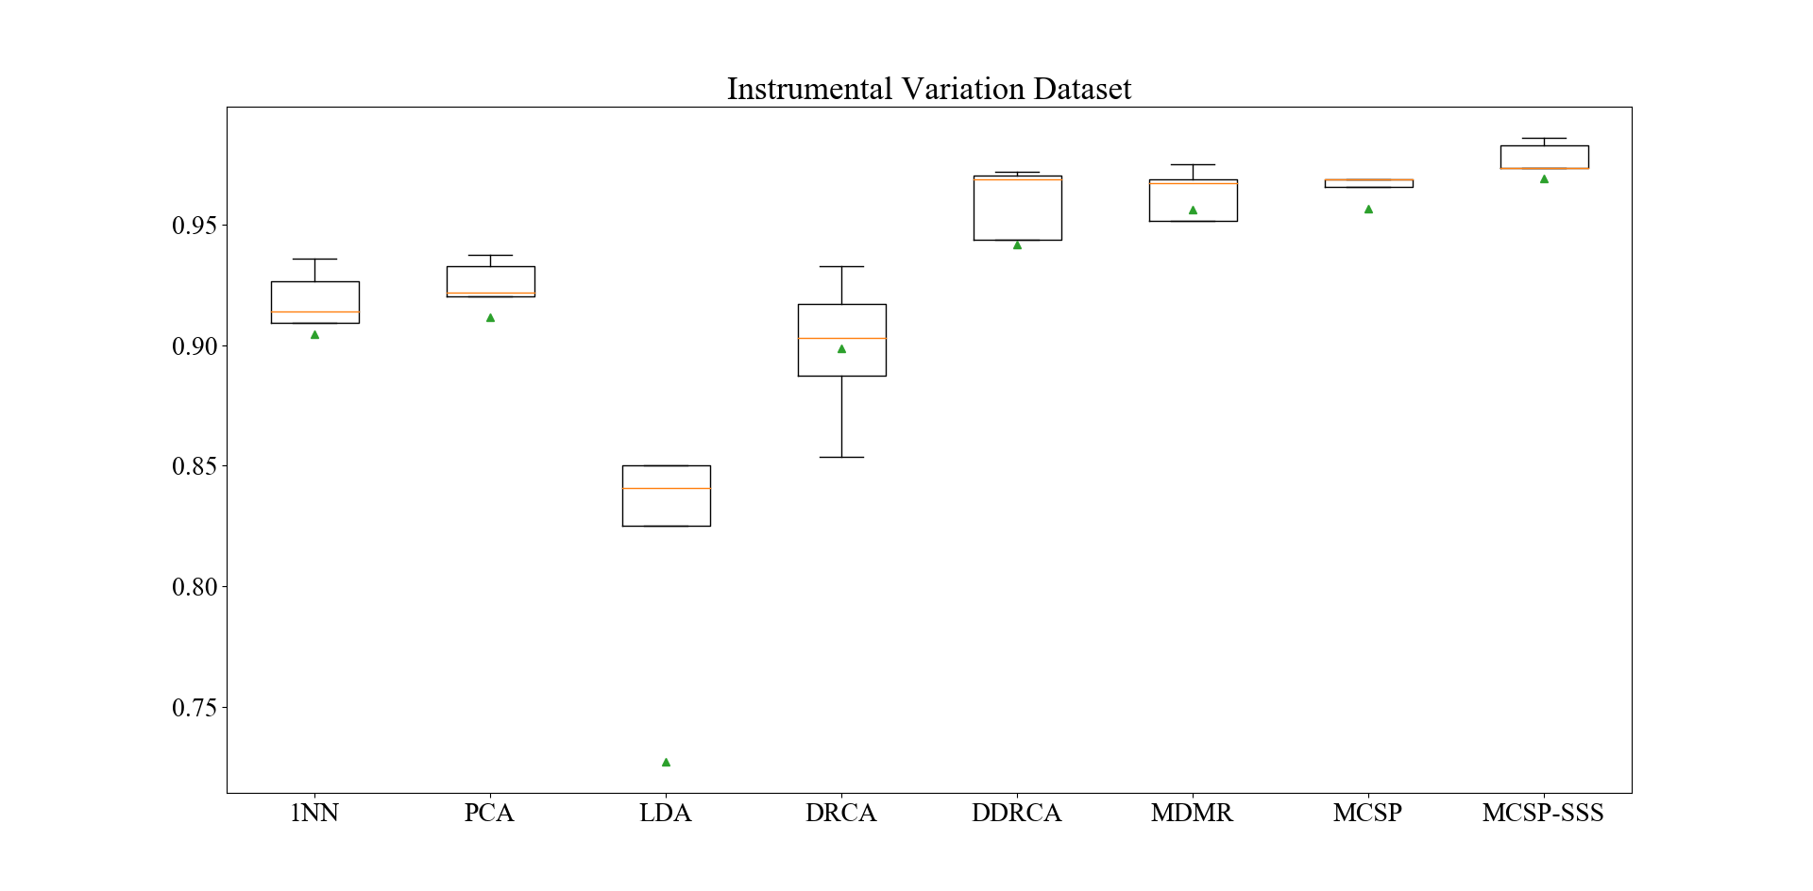
Table I
Approach | 1→2 | 1→3 | 1→4 | 1→5 | Avg Acc
1NN | 0.9812 | 0.9375 | 0.9000 | 0.8375 | 0.9140
PCA | 0.9812 | 0.9375 | 0.9250 | 0.8375 | 0.9203
LDA | 0.9812 | 0.8063 | 0.9625 | 0.6500 | 0.8500
DRCA | 0.9750 | 0.9938 | 0.9500 | 0.8125 | 0.9328
D-DRCA | 0.9938 | 0.9938 | 0.9750 | 0.9125 | 0.9688
MDMR | 0.9938 | 0.9938 | 0.9500 | 0.9375 | 0.9688
MCSP | 0.9938 | 0.9938 | 0.9875 | 0.8875 | 0.9657
MCSP-SSS | 0.9938 | 0.9938 | 0.9938 | 0.9500 | 0.9829

Table II
Approach | 2→1 | 2→3 | 2→4 | 2→5 | Avg Acc
1NN | 0.9938 | 0.9875 | 0.9000 | 0.8250 | 0.9266
PCA | 0.9938 | 0.9875 | 0.9125 | 0.8375 | 0.9328
LDA | 0.9938 | 0.9188 | 0.9625 | 0.6750 | 0.8875
DRCA | 0.9375 | 0.9750 | 0.8750 | 0.8250 | 0.9031
D-DRCA | 0.9938 | 0.9938 | 0.9875 | 0.9125 | 0.9719
MDMR | 0.9938 | 0.9875 | 0.9875 | 0.9000 | 0.9672
MCSP | 0.9938 | 0.9938 | 0.9875 | 0.9000 | 0.9688
MCSP-SSS | 0.9938 | 0.9938 | 0.9938 | 0.9125 | 0.9735

Table III
Approach | 3→1 | 3→2 | 3→4 | 3→5 | Avg Acc
1NN | 0.9500 | 0.9875 | 0.9375 | 0.7625 | 0.9094
PCA | 0.9500 | 0.9875 | 0.9500 | 0.8000 | 0.9219
LDA | 0.9813 | 0.8188 | 0.7375 | 0.7625 | 0.8250
DRCA | 0.9063 | 0.9750 | 0.9125 | 0.8750 | 0.9172
D-DRCA | 0.9875 | 0.9938 | 0.9875 | 0.9125 | 0.9703
MDMR | 0.9875 | 0.9938 | 0.9875 | 0.8375 | 0.9516
MCSP | 0.9938 | 0.9938 | 0.9875 | 0.9000 | 0.9688
MCSP-SSS | 0.9938 | 0.9938 | 0.9938 | 0.9125 | 0.9735

Table IV
Approach | 4→1 | 4→2 | 4→3 | 4→5 | Avg Acc
1NN | 0.9250 | 0.9188 | 0.9375 | 0.9625 | 0.9360
PCA | 0.9250 | 0.9188 | 0.9438 | 0.9625 | 0.9375
LDA | 0.8500 | 0.8125 | 0.8625 | 0.8375 | 0.8406
DRCA | 0.8500 | 0.8750 | 0.9125 | 0.9125 | 0.8875
D-DRCA | 0.9375 | 0.9250 | 0.9500 | 0.9625 | 0.9438
MDMR | 0.9750 | 0.9750 | 0.9750 | 0.9750 | 0.9750
MCSP | 0.9750 | 0.9750 | 0.9750 | 0.9750 | 0.9750
MCSP-SSS | 0.9875 | 0.9750 | 0.9938 | 0.9875 | 0.9859

Table V
Approach | 5→1 | 5→2 | 5→3 | 5→4 | Avg Acc
1NN | 0.7375 | 0.7938 | 0.8563 | 0.9626 | 0.8376
PCA | 0.7688 | 0.7938 | 0.8563 | 0.9626 | 0.8454
LDA | 0.1875 | 0.1313 | 0.1000 | 0.5100 | 0.2322
DRCA | 0.7750 | 0.8188 | 0.8813 | 0.9375 | 0.8532
D-DRCA | 0.8688 | 0.9250 | 0.9125 | 0.9875 | 0.9235
MDMR | 0.8875 | 0.9125 | 0.9000 | 0.9750 | 0.9188
MCSP | 0.8500 | 0.8875 | 0.8937 | 0.9875 | 0.9047
MCSP-SSS | 0.8688 | 0.9250 | 0.9438 | 0.9875 | 0.9313

Table VI
Approach | 1 | 2 | 3 | 4 | 5 | Median | Percentile |  |  |  |  | Mean
 |  |  |  |  |  |  | 0% | 25% | 50% | 75% | 100%
1NN | 0.9140 | 0.9266 | 0.9094 | 0.9360 | 0.8375 | 0.9140 | 0.8375 | 0.9094 | 0.9140 | 0.9266 | 0.9360 | 0.9047
PCA | 0.9203 | 0.9328 | 0.9219 | 0.9375 | 0.8458 | 0.9219 | 0.8458 | 0.9203 | 0.9219 | 0.9328 | 0.9375 | 0.9117
LDA | 0.8500 | 0.8875 | 0.8250 | 0.8406 | 0.2322 | 0.8406 | 0.2322 | 0.8250 | 0.8406 | 0.8500 | 0.8875 | 0.7271
DRCA | 0.9328 | 0.9031 | 0.9172 | 0.8875 | 0.8536 | 0.9031 | 0.8536 | 0.9438 | 0.9031 | 0.9172 | 0.9328 | 0.8989
DDRCA | 0.9688 | 0.9719 | 0.9703 | 0.9438 | 0.8536 | 0.9688 | 0.8536 | 0.9438 | 0.9688 | 0.9703 | 0.9719 | 0.9417
MDMR | 0.9688 | 0.9672 | 0.9516 | 0.9750 | 0.9188 | 0.9672 | 0.9188 | 0.9516 | 0.9672 | 0.9688 | 0.9750 | 0.9563
MCSP | 0.9657 | 0.9688 | 0.9688 | 0.9750 | 0.9048 | 0.9688 | 0.9048 | 0.9657 | 0.9688 | 0.9688 | 0.9750 | 0.9566
MCSP-SSS | 0.9829 | 0.9735 | 0.9735 | 0.9859 | 0.9313 | 0.9735 | 0.9313 | 0.9735 | 0.9735 | 0.9829 | 0.9859 | 0.9694

SSDA-VIMS
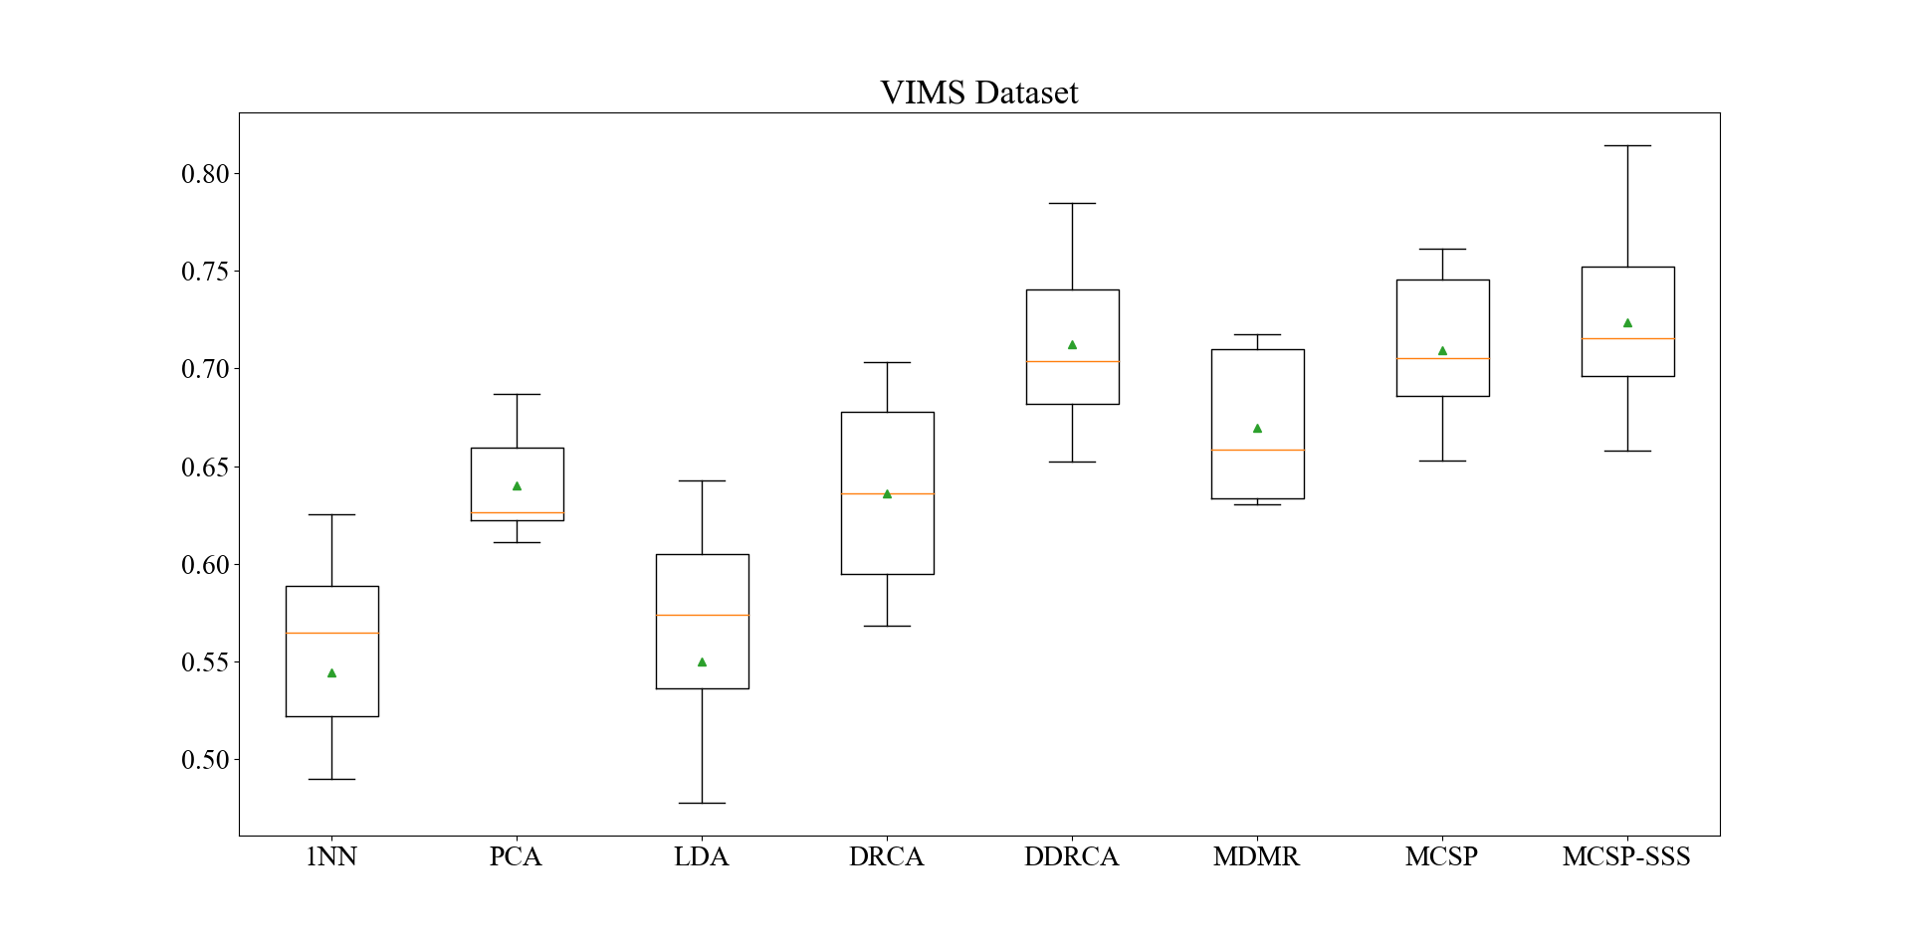
Table I
Approach | 1→2 | 1→3 | 1→4 | 1→5 | 1→6 | 1→7 | 1→8 | Avg Acc
1NN | 0.5690 | 0.5206 | 0.4749 | 0.8550 | 0.6716 | 0.4565 | 0.4795 | 0.5753
PCA | 0.5763 | 0.5835 | 0.5123 | 0.8596 | 0.6909 | 0.5094 | 0.5457 | 0.6111
LDA | 0.2349 | 0.3916 | 0.4561 | 0.4257 | 0.4307 | 0.3833 | 0.2066 | 0.3613
DRCA | 0.7831 | 0.3742 | 0.3867 | 0.8406 | 0.5909 | 0.3841 | 0.7598 | 0.5885
D-DRCA | 0.9036 | 0.6452 | 0.7695 | 0.7942 | 0.8579 | 0.7590 | 0.7559 | 0.7836
MDMR | 0.5542 | 0.5806 | 0.6015 | 0.8551 | 0.7897 | 0.4801 | 0.5512 | 0.6303
MCSP | 0.8193 | 0.6888 | 0.7344 | 0.8986 | 0.8267 | 0.5471 | 0.7871 | 0.7574
MCSP-SSS | 0.8253 | 0.6731 | 0.8203 | 0.9043 | 0.8409 | 0.8442 | 0.7918 | 0.8143

Table II
Approach | 2→1 | 2→3 | 2→4 | 2→5 | 2→6 | 2→7 | 2→8 | Avg Acc
1NN | 0.6315 | 0.4785 | 0.3824 | 0.7842 | 0.6318 | 0.3978 | 0.4227 | 0.5327
PCA | 0.6834 | 0.5972 | 0.6693 | 0.8387 | 0.7182 | 0.4674 | 0.6230 | 0.6567
LDA | 0.4700 | 0.6729 | 0.5329 | 0.7100 | 0.6954 | 0.5536 | 0.5804 | 0.6022
DRCA | 0.6916 | 0.6084 | 0.5063 | 0.8840 | 0.8159 | 0.6638 | 0.5615 | 0.6759
D-DRCA | 0.7427 | 0.6747 | 0.8025 | 0.8991 | 0.8613 | 0.7043 | 0.7539 | 0.7769
MDMR | 0.7018 | 0.6842 | 0.6912 | 0.8503 | 0.8261 | 0.6348 | 0.6358 | 0.7177
MCSP | 0.7078 | 0.6850 | 0.7524 | 0.9153 | 0.8705 | 0.6058 | 0.7938 | 0.7615
MCSP-SSS | 0.7086 | 0.6850 | 0.7555 | 0.9165 | 0.8761 | 0.6065 | 0.8139 | 0.7660

Table III
Approach | 3→1 | 3→2 | 3→4 | 3→5 | 3→6 | 3→7 | 3→8 | Avg Acc
1NN | 0.5576 | 0.4867 | 0.5784 | 0.6775 | 0.6477 | 0.5464 | 0.5994 | 0.5848
PCA | 0.6120 | 0.7506 | 0.6505 | 0.7146 | 0.6852 | 0.5833 | 0.6767 | 0.6676
LDA | 0.5487 | 0.4625 | 0.4655 | 0.6056 | 0.6489 | 0.5783 | 0.5820 | 0.5559
DRCA | 0.5828 | 0.8111 | 0.8056 | 0.7935 | 0.7125 | 0.6109 | 0.6056 | 0.7031
DDRCA | 0.6177 | 0.7530 | 0.6050 | 0.8155 | 0.7318 | 0.6630 | 0.6735 | 0.6942
MDMR | 0.6315 | 0.7859 | 0.7022 | 0.7819 | 0.7875 | 0.6117 | 0.6514 | 0.7074
MCSP | 0.6120 | 0.7724 | 0.6505 | 0.8063 | 0.7523 | 0.6109 | 0.6609 | 0.6950
MCSP-SSS | 0.6120 | 0.7821 | 0.6520 | 0.8063 | 0.7534 | 0.6630 | 0.6688 | 0.7054

Table IV
Approach | 4→1 | 4→2 | 4→3 | 4→5 | 4→6 | 4→7 | 4→8 | Avg Acc
1NN | 0.4083 | 0.7627 | 0.3847 | 0.5661 | 0.4057 | 0.2833 | 0.6167 | 0.4896
PCA | 0.5024 | 0.7627 | 0.6093 | 0.6044 | 0.6931 | 0.5000 | 0.6861 | 0.6226
LDA | 0.4553 | 0.7579 | 0.3847 | 0.5603 | 0.2739 | 0.3906 | 0.5205 | 0.4776
DRCA | 0.4618 | 0.7724 | 0.6007 | 0.5812 | 0.5181 | 0.5229 | 0.7223 | 0.5971
D-DRCA | 0.5714 | 0.7724 | 0.6394 | 0.6009 | 0.7079 | 0.5934 | 0.7113 | 0.6567
MDMR | 0.5024 | 0.7627 | 0.6248 | 0.6230 | 0.6909 | 0.5036 | 0.7224 | 0.6328
MCSP | 0.5731 | 0.7912 | 0.6248 | 0.6230 | 0.6841 | 0.5906 | 0.7302 | 0.6596
MCSP-SSS | 0.5868 | 0.7966 | 0.6282 | 0.6230 | 0.7034 | 0.5978 | 0.7366 | 0.6675

Table V
Approach | 5→1 | 5→2 | 5→3 | 5→4 | 5→6 | 5→7 | 5→8 | Avg Acc
1NN | 0.6623 | 0.6513 | 0.5585 | 0.3981 | 0.8773 | 0.5203 | 0.5300 | 0.5997
PCA | 0.7338 | 0.7191 | 0.5688 | 0.4279 | 0.8943 | 0.5268 | 0.5315 | 0.6289
LDA | 0.6080 | 0.6634 | 0.5559 | 0.6081 | 0.8489 | 0.5022 | 0.5110 | 0.6139
DRCA | 0.6258 | 0.4479 | 0.5895 | 0.5109 | 0.8704 | 0.4094 | 0.5252 | 0.5684
D-DRCA | 0.7127 | 0.7579 | 0.6566 | 0.6356 | 0.8738 | 0.6529 | 0.7035 | 0.7133
MDMR | 0.7129 | 0.7724 | 0.5637 | 0.4420 | 0.8807 | 0.5934 | 0.6703 | 0.6622
MCSP | 0.7330 | 0.8039 | 0.6007 | 0.7665 | 0.8909 | 0.5732 | 0.6025 | 0.7101
MCSP-SSS | 0.7346 | 0.8136 | 0.6058 | 0.7962 | 0.8932 | 0.5739 | 0.6356 | 0.7218

Table VI
Approach | 6→1 | 6→2 | 6→3 | 6→4 | 6→5 | 6→7 | 6→8 | Avg Acc
1NN | 0.5601 | 0.7627 | 0.6265 | 0.4514 | 0.7240 | 0.6486 | 0.6041 | 0.6253
PCA | 0.6169 | 0.8208 | 0.6360 | 0.5313 | 0.8167 | 0.6775 | 0.7082 | 0.6868
LDA | 0.5836 | 0.8014 | 0.6402 | 0.6426 | 0.7123 | 0.5043 | 0.6151 | 0.6428
DRCA | 0.6201 | 0.8256 | 0.6540 | 0.6454 | 0.6845 | 0.6231 | 0.7350 | 0.6840
D-DRCA | 0.6412 | 0.8475 | 0.6721 | 0.7006 | 0.8399 | 0.6609 | 0.7366 | 0.7284
MDMR | 0.6704 | 0.8378 | 0.6746 | 0.6411 | 0.8434 | 0.6674 | 0.6861 | 0.7173
MCSP | 0.6534 | 0.8620 | 0.6721 | 0.7445 | 0.8805 | 0.6775 | 0.7066 | 0.7424
MCSP-SSS | 0.6534 | 0.8644 | 0.6721 | 0.7476 | 0.9084 | 0.6783 | 0.7066 | 0.7473

Table VII
Approach | 7→1 | 7→2 | 7→3 | 7→4 | 7→5 | 7→6 | 7→8 | Avg Acc
1NN | 0.3766 | 0.4431 | 0.5473 | 0.2931 | 0.1554 | 0.3898 | 0.5489 | 0.3935
PCA | 0.5714 | 0.8087 | 0.5731 | 0.5235 | 0.5510 | 0.6886 | 0.6388 | 0.6222
LDA | 0.4570 | 0.6077 | 0.5577 | 0.6646 | 0.5510 | 0.5193 | 0.6325 | 0.5700
DRCA | 0.5625 | 0.8208 | 0.6007 | 0.6739 | 0.5707 | 0.7045 | 0.6498 | 0.6547
DDRCA | 0.5812 | 0.8329 | 0.6308 | 0.7414 | 0.6032 | 0.7375 | 0.7066 | 0.6905
MDMR | 0.5747 | 0.8174 | 0.5886 | 0.5423 | 0.7091 | 0.6830 | 0.6703 | 0.6551
MCSP | 0.5901 | 0.8377 | 0.5904 | 0.7586 | 0.7169 | 0.6830 | 0.7256 | 0.7003
MCSP-SSS | 0.6023 | 0.8377 | 0.6102 | 0.7618 | 0.7355 | 0.6875 | 0.7303 | 0.7093

Table VIII
Approach | 8→1 | 8→2 | 8→3 | 8→4 | 8→5 | 8→6 | 8→7 | Avg Acc
1NN | 0.4545 | 0.6392 | 0.6251 | 0.5266 | 0.4095 | 0.5727 | 0.6529 | 0.5544
PCA | 0.5008 | 0.7579 | 0.6251 | 0.5266 | 0.6461 | 0.6568 | 0.6529 | 0.6237
LDA | 0.4610 | 0.7748 | 0.6308 | 0.3871 | 0.6183 | 0.5670 | 0.6051 | 0.5777
DRCA | 0.4431 | 0.7748 | 0.6308 | 0.5501 | 0.6833 | 0.6045 | 0.6347 | 0.6173
D-DRCA | 0.5048 | 0.8063 | 0.6505 | 0.6066 | 0.6345 | 0.6886 | 0.6761 | 0.6525
MDMR | 0.5024 | 0.7724 | 0.6325 | 0.5517 | 0.6508 | 0.6705 | 0.6543 | 0.6335
MCSP | 0.5024 | 0.7942 | 0.6402 | 0.6191 | 0.6543 | 0.6909 | 0.6703 | 0.6531
MCSP-SSS | 0.5048 | 0.7942 | 0.6531 | 0.6223 | 0.6705 | 0.6909 | 0.6703 | 0.6580

Table IX
Approach | 1 | 2 | 3 | 4 | 5 | 6 | 7 | 8 | Median | Percentile |  |  |  |  | Mean
 |  |  |  |  |  |  |  |  |  | 0% | 25% | 50% | 75% | 100%
1NN | 0.5753 | 0.5327 | 0.5848 | 0.4896 | 0.5997 | 0.6253 | 0.3935 | 0.5544 | 0.5648 | 0.3935 | 0.5219 | 0.5648 | 0.5885 | 0.6253 | 0.5444
PCA | 0.6110 | 0.6567 | 0.6676 | 0.6226 | 0.6289 | 0.6868 | 0.6222 | 0.6237 | 0.6263 | 0.6110 | 0.6225 | 0.6263 | 0.6594 | 0.6868 | 0.6399
LDA | 0.3613 | 0.6022 | 0.5559 | 0.4776 | 0.6139 | 0.6428 | 0.5700 | 0.5777 | 0.5739 | 0.3613 | 0.5363 | 0.5739 | 0.6051 | 0.6428 | 0.5502
DRCA | 0.5885 | 0.6759 | 0.7031 | 0.5971 | 0.5684 | 0.6840 | 0.6547 | 0.6173 | 0.6360 | 0.5684 | 0.5949 | 0.6360 | 0.6779 | 0.7031 | 0.6361
D-DRCA | 0.7849 | 0.7769 | 0.6942 | 0.6567 | 0.7133 | 0.7284 | 0.6905 | 0.6525 | 0.7038 | 0.6525 | 0.6821 | 0.7038 | 0.7405 | 0.7849 | 0.7122
MDMR | 0.6303 | 0.7177 | 0.7074 | 0.6328 | 0.6622 | 0.7173 | 0.6551 | 0.6335 | 0.6586 | 0.6303 | 0.6333 | 0.6586 | 0.7099 | 0.7177 | 0.6695
MCSP | 0.7546 | 0.7615 | 0.6950 | 0.6596 | 0.7101 | 0.7424 | 0.7003 | 0.6531 | 0.7052 | 0.6531 | 0.6862 | 0.7052 | 0.7454 | 0.7615 | 0.7096
MCSP-SSS | 0.8141 | 0.7660 | 0.7054 | 0.6675 | 0.7218 | 0.7473 | 0.7093 | 0.6580 | 0.7156 | 0.6580 | 0.6959 | 0.7156 | 0.7519 | 0.8141 | 0.7237

MSDA-Long-Term Sensor Drift
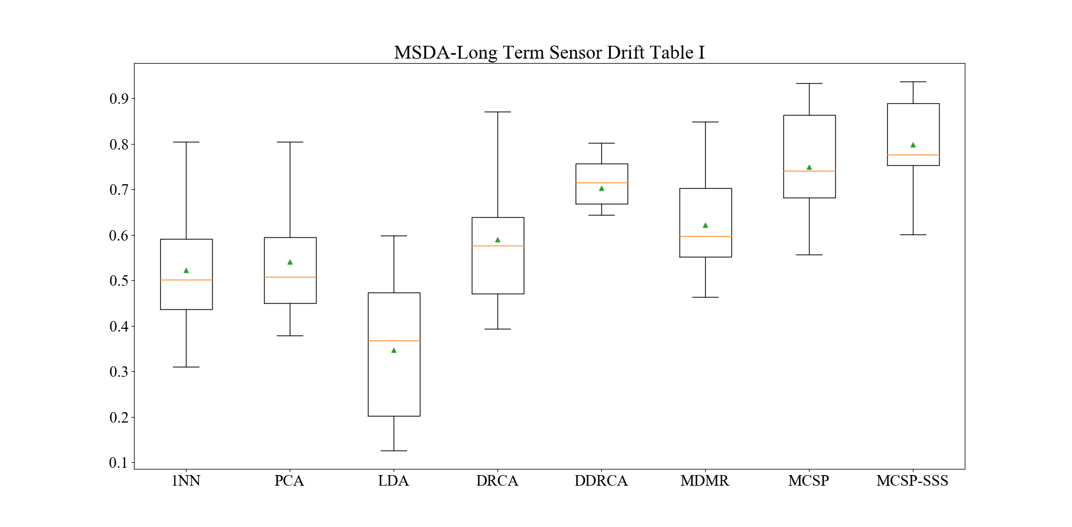
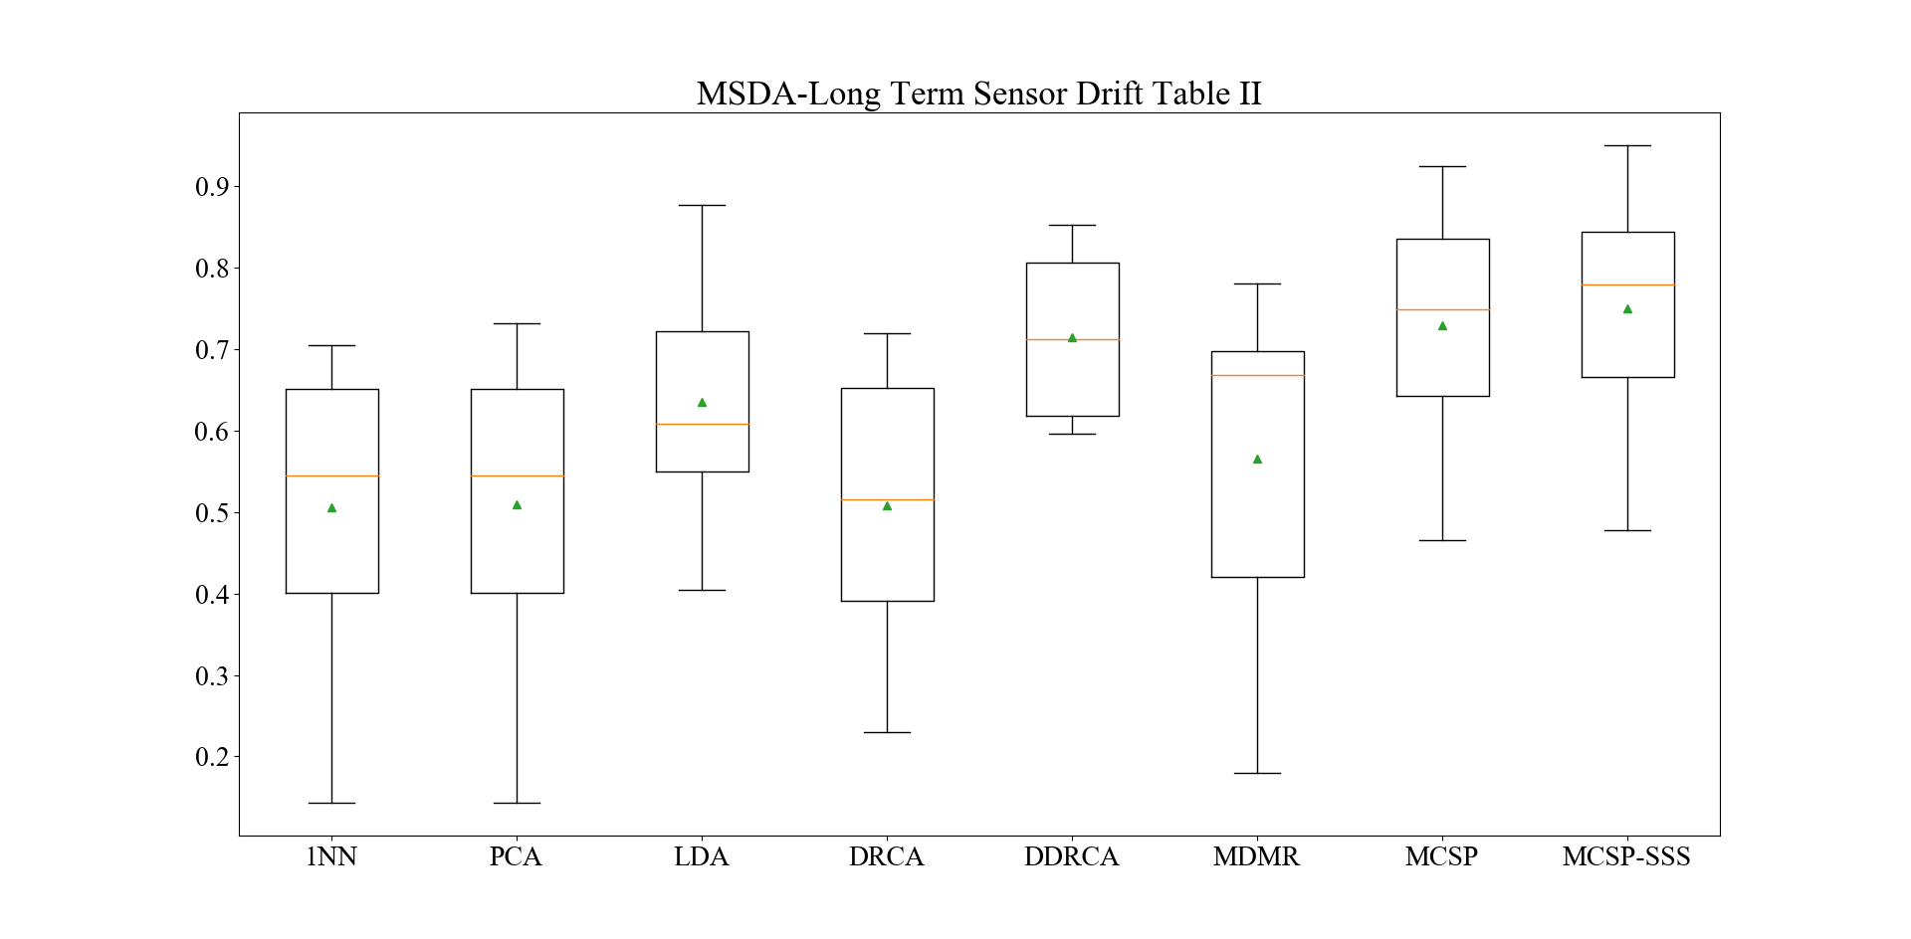
Table I
Approach | 1+2→3 | 1+2→4 | 1+2→5 | 1+2→6 | 1+2→7 | 1+2→8 | 1+2→9 | 1+2→10 | Avg Acc
NN | 0.8045 | 0.4907 | 0.6599 | 0.5683 | 0.5115 | 0.3095 | 0. 3766 | 0.4567 | 0.5222
PCA | 0.8045 | 0.4907 | 0.6751 | 0.5683 | 0.5256 | 0.4183 | 0.3787 | 0.4603 | 0.5402
LDA | 0.4515 | 0.2236 | 0.4772 | 0.4713 | 0.2845 | 0.5986 | 0.1383 | 0.1256 | 0.3463
DRCA | 0.8707 | 0.5777 | 0.5888 | 0.7913 | 0.4805 | 0.5748 | 0.3936 | 0.4400 | 0.5918
D-DRCA | 0.8953 | 0.6770 | 0.7411 | 0.7313 | 0.6438 | 0.8027 | 0.6978 | 0.4300 | 0.7023
MDMR | 0.8493 | 0.6149 | 0.7208 | 0.6965 | 0.5782 | 0.4728 | 0.5787 | 0.4633 | 0.6218
MCSP | 0.9339 | 0.5692 | 0.8607 | 0.8740 | 0.7427 | 0.7203 | 0.7394 | 0.5569 | 0.7499
MCSP-SSS | 0.9370 | 0.7538 | 0.8860 | 0.9022 | 0.7524 | 0.7966 | 0.7553 | 0.6011 | 0.7981

Table II
Approach | 9+10→1 | 9+10→2 | 9+10→3 | 9+10→4 | 9+10→5 | 9+10→6 | 9+10→7 | 9+10→8 | Avg Acc
1NN | 0.3843 | 0.7050 | 0.5801 | 0.1429 | 0.4061 | 0.6413 | 0.6812 | 0.5102 | 0.5064
PCA | 0.3843 | 0.7323 | 0.5801 | 0.1429 | 0.4061 | 0.6413 | 0.6834 | 0.5102 | 0.5101
LDA | 0.5438 | 0.4051 | 0.7787 | 0.5527 | 0.5584 | 0.7039 | 0.6587 | 0.8775 | 0.6348
DRCA | 0.3933 | 0.7203 | 0.6501 | 0.2298 | 0.3857 | 0.6601 | 0.5000 | 0.5306 | 0.5087
D-DRCA | 0.6224 | 0.8143 | 0.8045 | 0.5962 | 0.6497 | 0.8530 | 0.6044 | 0.7755 | 0.7150
MDMR | 0.4247 | 0.7805 | 0.6961 | 0.1801 | 0.4061 | 0.6413 | 0.7010 | 0.6973 | 0.5659
MCSP | 0.6045 | 0.8288 | 0.9250 | 0.4658 | 0.7259 | 0.8543 | 0.6562 | 0.7721 | 0.7291
MCSP-SSS | 0.6157 | 0.8328 | 0.9502 | 0.4783 | 0.7563 | 0.8809 | 0.6828 | 0.8027 | 0.7500

MSDA-Instrumental Variation
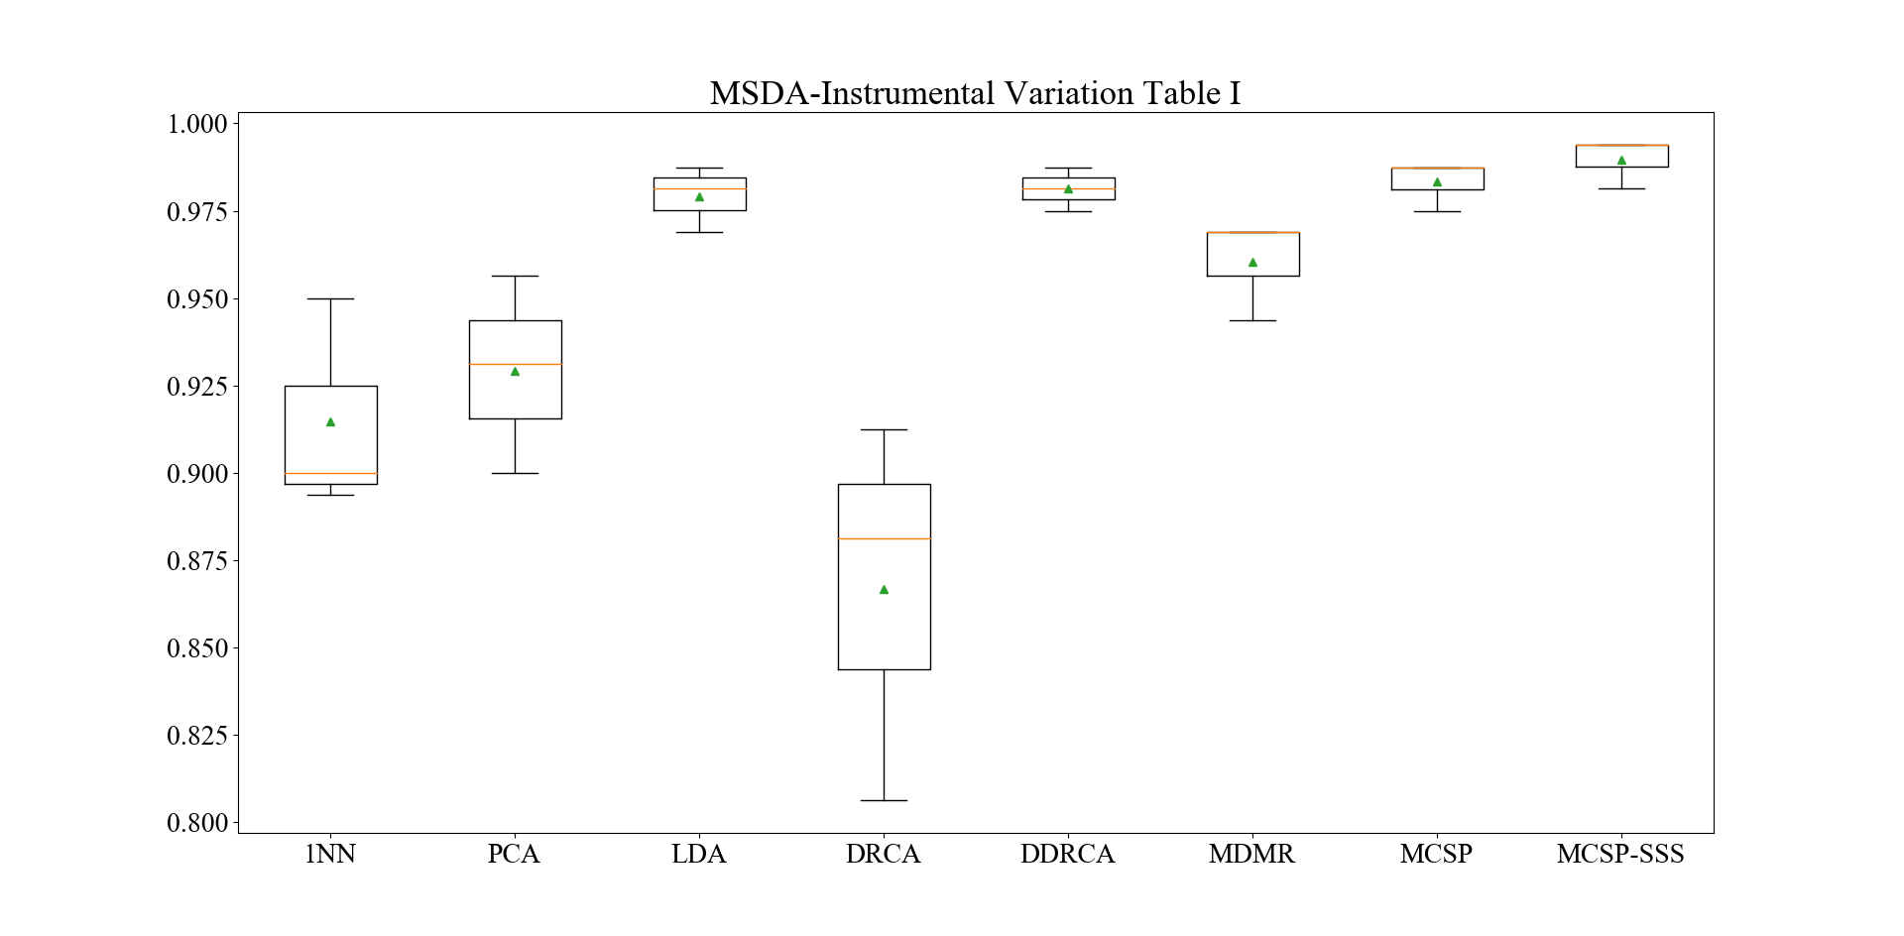
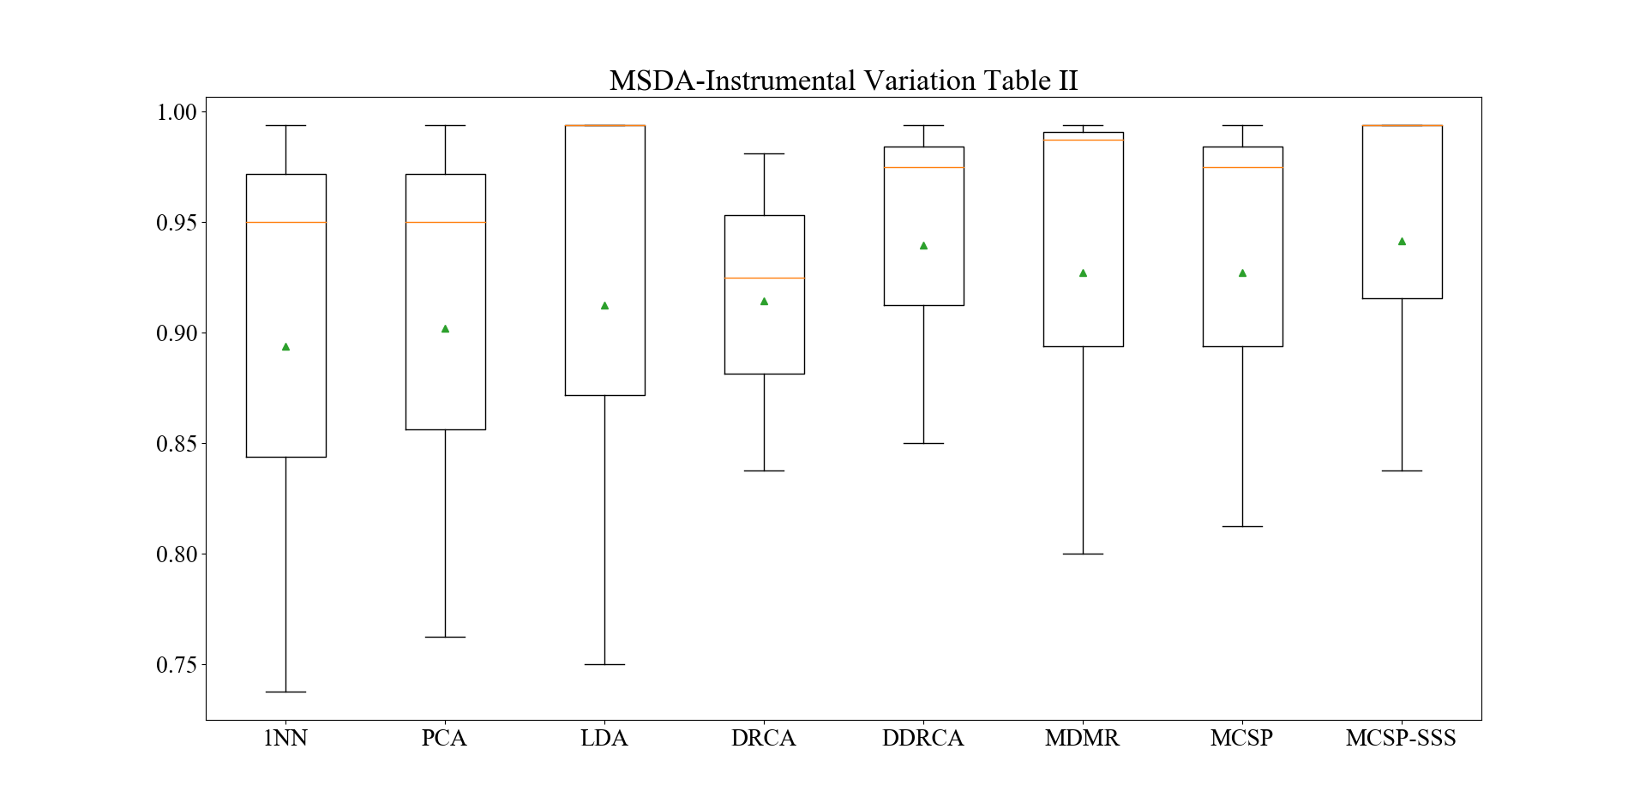
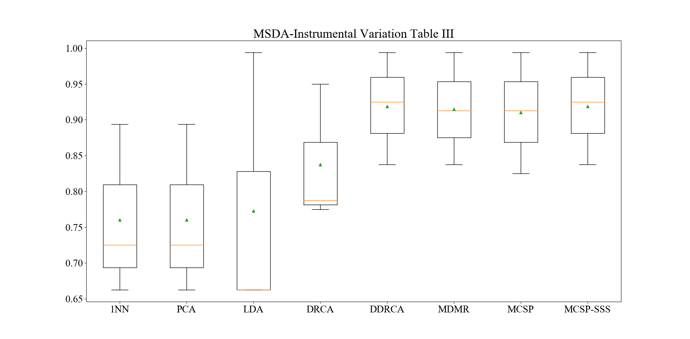
Table I
Approach | 5+4→1 | 5+4→2 | 5+4→3 | Avg Acc
1NN | 0.8938 | 0.9500 | 0.9000 | 0.9146
PCA | 0.9313 | 0.9563 | 0.9000 | 0.9292
LDA | 0.9688 | 0.9875 | 0.9813 | 0.9792
DRCA | 0.8063 | 0.8813 | 0.9125 | 0.8667
D-DRCA | 0.9750 | 0.9813 | 0.9875 | 0.9813
MDMR | 0.9438 | 0.9688 | 0.9688 | 0.9605
MCSP | 0.9750 | 0.9875 | 0.9875 | 0.9833
MCSP-SS | 0.9813 | 0.9938 | 0.9938 | 0.9896

Table II
Approach | 4+3→1 | 4+3→2 | 4+3→5 | Avg Acc
1NN | 0.9500 | 0.9938 | 0.7375 | 0.8938
PCA | 0.9500 | 0.9938 | 0.7625 | 0.9021
LDA | 0.9938 | 0.9938 | 0.7500 | 0.9125
DRCA | 0.9250 | 0.9813 | 0.8375 | 0.9146
D-DRCA | 0.9750 | 0.9938 | 0.8500 | 0.9396
MDMR | 0.9875 | 0.9938 | 0.8000 | 0.9271
MCSP | 0.9750 | 0.9938 | 0.8125 | 0.9271
MCSP-SS | 0.9938 | 0.9938 | 0.8375 | 0.9417

Table II
Approach | 2+1→3 | 2+1→4 | 2+1→5 | Avg Acc
1NN | 0.8938 | 0.6625 | 0.7250 | 0.7604
PCA | 0.8938 | 0.6625 | 0.7250 | 0.7604
LDA | 0.9938 | 0.6625 | 0.6625 | 0.7729
DRCA | 0.9500 | 0.7875 | 0.7750 | 0.8375
D-DRCA | 0.9938 | 0.9250 | 0.8375 | 0.9188
MDMR | 0.9938 | 0.9125 | 0.8375 | 0.9146
MCSP | 0.9938 | 0.9125 | 0.8250 | 0.9104
MCSP-SS | 0.9938 | 0.9250 | 0.8375 | 0.9188

MSDA-VIMS
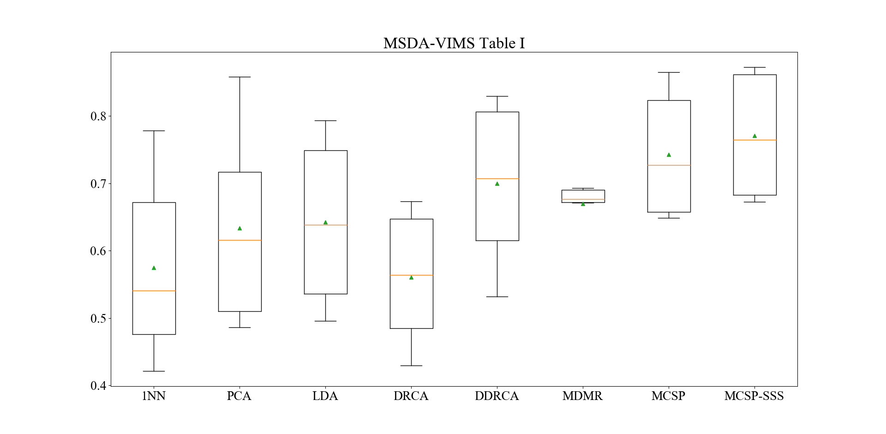
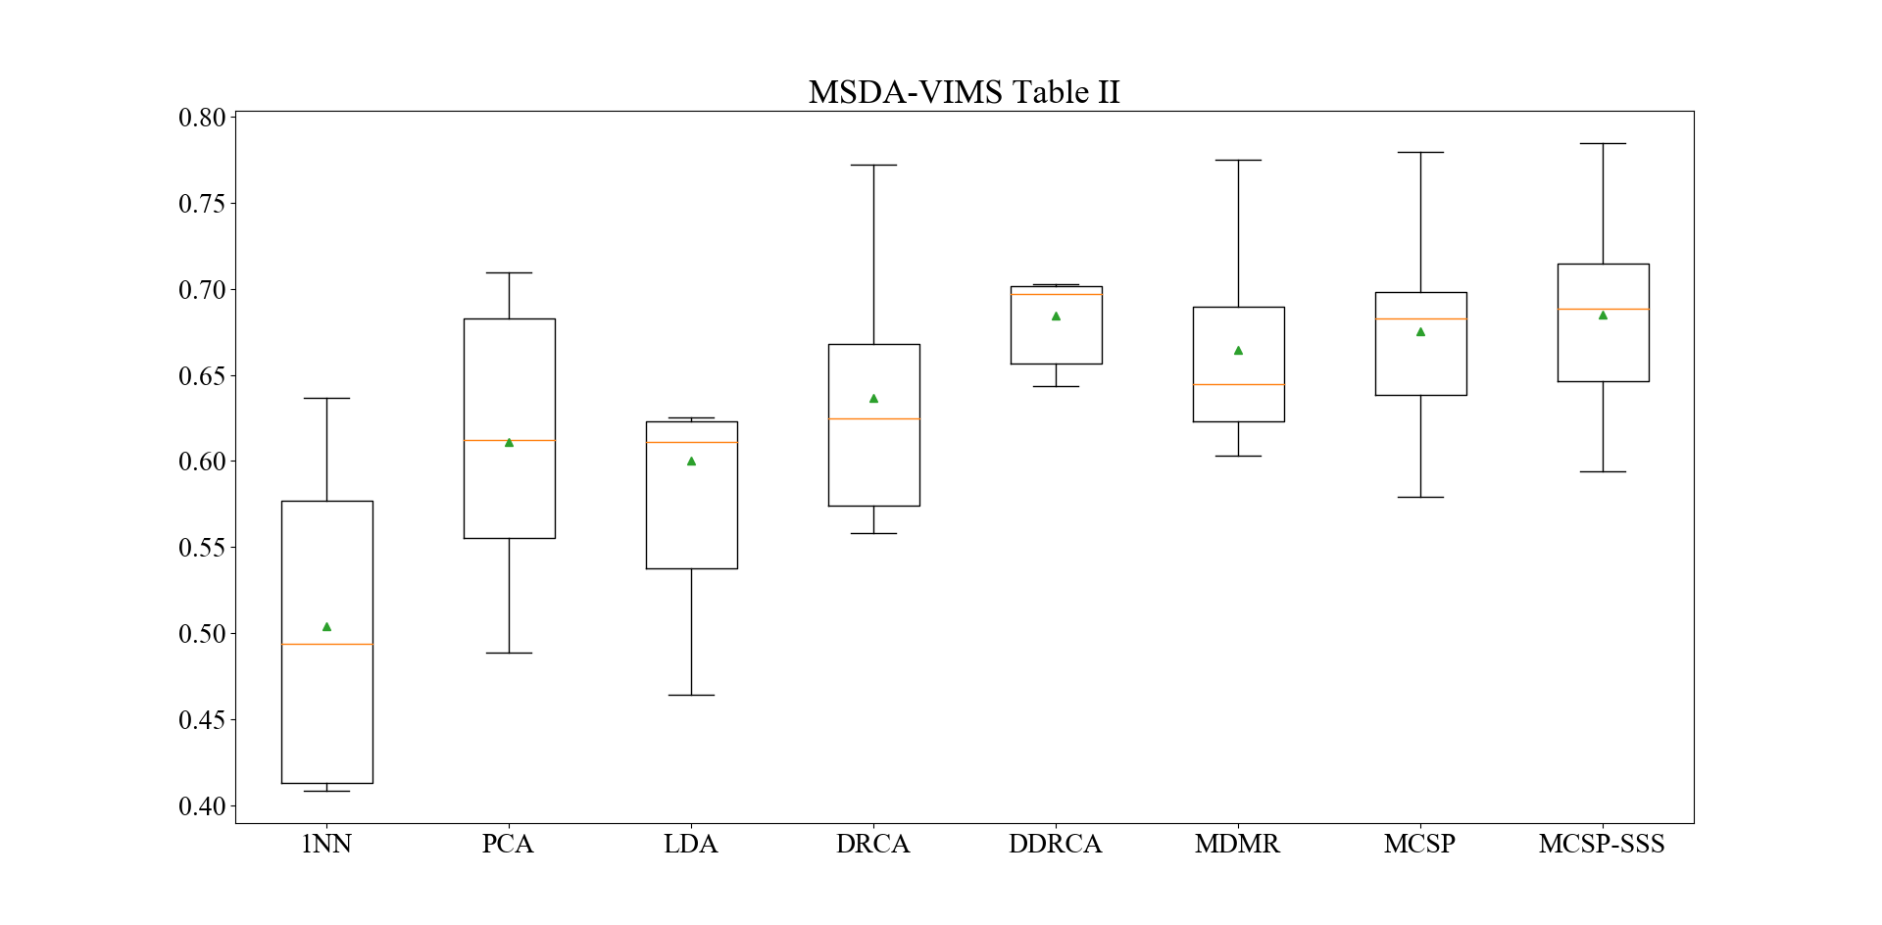
Table I
Approach | 1+2→3 | 1+2→4 | 1+2→5 | 1+2→6 | 1+2→7 | 1+2→8 | Avg Acc
1NN | 0.5129 | 0.5690 | 0.7784 | 0.7057 | 0.4630 | 0.4211 | 0.5750
PCA | 0.5534 | 0.6787 | 0.8584 | 0.7295 | 0.4862 | 0.4953 | 0.6336
LDA | 0.6351 | 0.6411 | 0.7935 | 0.7852 | 0.5029 | 0.4953 | 0.6422
DRCA | 0.5720 | 0.4609 | 0.6725 | 0.6733 | 0.4293 | 0.5551 | 0.5605
D-DRCA | 0.6000 | 0.7539 | 0.8232 | 0.8295 | 0.6612 | 0.5316 | 0.6999
MDMR | 0.6710 | 0.6797 | 0.8551 | 0.6932 | 0.4475 | 0.6732 | 0.6700
MCSP | 0.6538 | 0.8359 | 0.8650 | 0.7841 | 0.6486 | 0.6693 | 0.7428
MCSP-SS | 0.6796 | 0.8359 | 0.8696 | 0.8722 | 0.6721 | 0.6929 | 0.7704

Table II
Approach | 7+8→1 | 7+8→2 | 7+8→3 | 7+8→4 | 7+8→5 | 7+8→6 | Avg Acc
1NN | 0.4253 | 0.6368 | 0.5818 | 0.4091 | 0.4084 | 0.5625 | 0.5040
PCA | 0.5398 | 0.7094 | 0.6239 | 0.4890 | 0.6009 | 0.7023 | 0.6109
LDA | 0.4643 | 0.7748 | 0.6162 | 0.6254 | 0.6056 | 0.5148 | 0.6002
DRCA | 0.5641 | 0.7724 | 0.6446 | 0.6050 | 0.5580 | 0.6761 | 0.6367
D-DRCA | 0.5820 | 0.7845 | 0.6437 | 0.6959 | 0.7030 | 0.6977 | 0.6845
MDMR | 0.6031 | 0.7748 | 0.6385 | 0.6176 | 0.6508 | 0.7022 | 0.6645
MCSP | 0.5795 | 0.7797 | 0.6248 | 0.6788 | 0.6868 | 0.7022 | 0.6753
MCSP-SS | 0.5941 | 0.7845 | 0.6342 | 0.6818 | 0.6949 | 0.7216 | 0.6852

